Page Layout
Project Name |  |  |  | Wow tasty |  | User Type |  |  |  |  | User |  |  |  | Writer | Hak Choi
Phase |  |  |  | Requirements programing design |  | Page Name |  |  |  |  | My page |  |  |  | Date | 11/17/2012

 | 1. Page layout

 |  | 1 ) layout
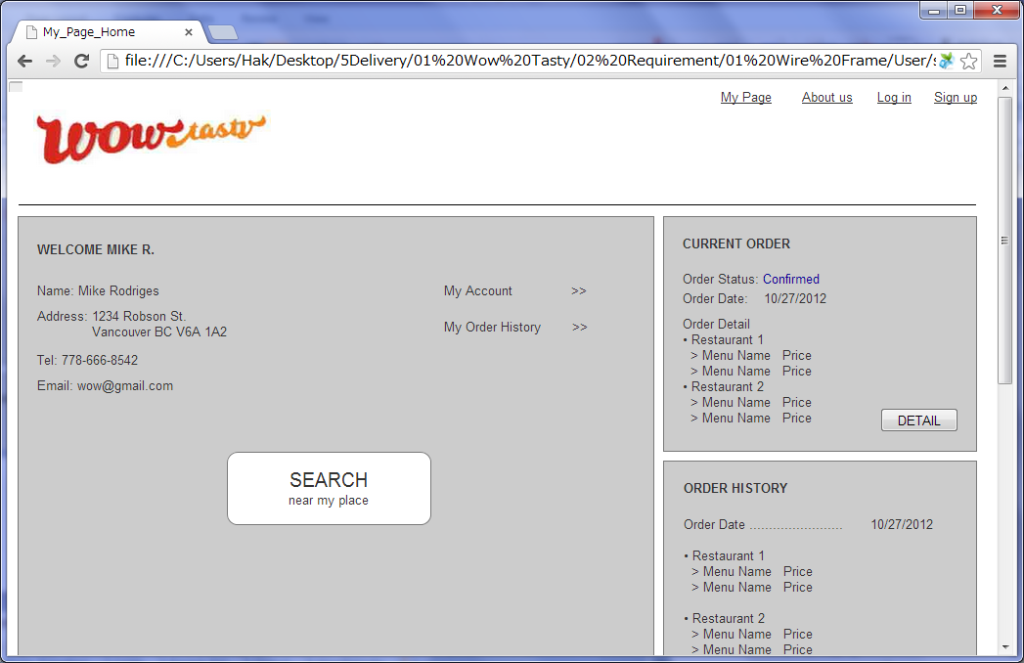

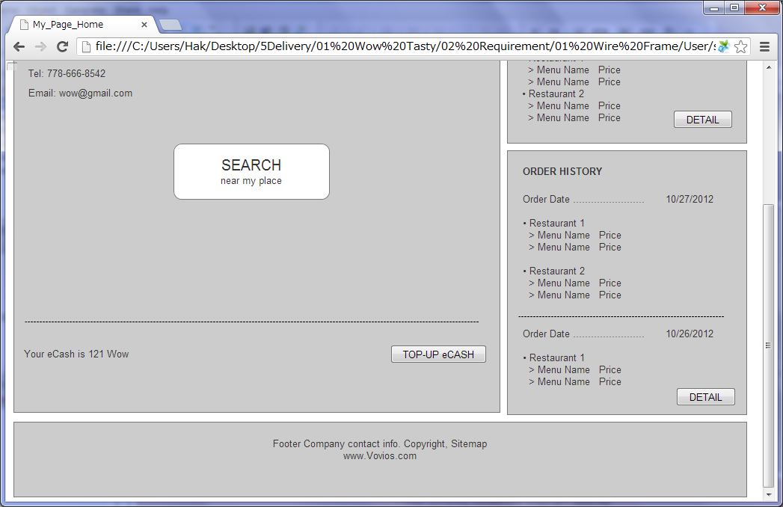

 |  | 2) Field list

 |  | No. | Name |  | Controller |  | Len | Align |  | Default |  | Note
 |  | 1 | WELCOME |  | Label |  |  |  |  |  |  | WELCOME + First Name + Last Name Initial +"."
 |  | 2 | Name |  | Label |  |  |  |  |  |  | First Name + Last Name
 |  | 3 | Address |  | Label |  |  |  |  | Blank |  | Address, City, Province, Postal Code, Suite Number
 |  | 4 | Tel |  | Label |  |  |  |  | Blank
 |  | 5 | Email |  | Label
 |  | 6 | Search near my place |  | Button
 |  | 7 | My Account |  | Link
 |  | 8 | My Orderhistory |  | Link
 |  | 9 | eCash |  | Label
 |  | 10 | Top-up eCash |  | Button
 |  | 11 | Current Order |  | Label |  |  |  |  |  |  | Orders whose status is "Ordered", "Pending" and "Confirmed".
 |  | 12 | Detail(Current Order) |  | Button
 |  | 13 | Order History |  | Label |  |  |  |  |  |  | 2 Orders whose status is not "Ordered", "Pending" and "Confirmed".
 |  | 14 | Detail(Order History) |  | Button

 |  | 3) Validation list

 |  | - Unit validation
 |  | No. | Name |  | Required | Type |  |  | Other |  |  |  |  | Error Message

 |  | - Correlation validation
 |  | No. | Condition |  | Field |  |  |  |  |  | Required |  | Other | Error message

Page Transition
Project Name |  |  |  | Wow tasty |  |  | User Type |  | User |  |  |  | Writer |  | Hak Choi
Phase |  |  |  | Requirements programing design |  |  | Page Name |  | My page |  |  |  | Date |  | 11/17/2012

 | 2. Page Transition

 |  | 1) Event List

 |  | No. | Name |  |  | Event |  | Condition |  | Destination page
 |  | 1 | Search near my place |  |  | Click |  |  |  | [Search Restraunt] page
 |  | 2 | My Account |  |  | Click |  |  |  | [My account] page
 |  | 3 | My Orderhistory |  |  | Click |  |  |  | [Order List] page
 |  | 4 | Top-up eCash |  |  | Click |  |  |  | [eCash Top-up] page
 |  | 5 | Detail(Current Order) |  |  | Click |  |  |  | [Order Detail] page
 |  | 6 | Detail(Order History) |  |  | Click |  |  |  | [Order List] page

 |  | 2) Page Transition |  |  |  |  |  |  |  |  |  |  |  | page |  | layer

2
1
 |  |  |  | My Account |  |  |  | My Page |  |  |  | Search Restraunt

4
5
3, 6

 |  |  |  |  | eCash Top-up |  |  | Order Detail |  |  | Order List

